1. Title Page
Customer Insights Project

Project Name: Customer Insights Project
Date: 05.04.2024
Analyst Name: Ana Maria Armas

Contents:
Population Flow
Consistency checks
Wrangling steps
Column derivations
Visualizations
Recommendations

2. Population Flow
Title page

Population flow

Orders_products_combined
Orders_products_merged
Orders_products_all

Total: 32404859
Total: 32434489
Total: 32404859

1.) The grey boxes in the first row of the population flow represent the original data sets as they were when you downloaded them. In the Total fields you need to add the count of the rows when you imported the data set into Jupyter.
2.) The second row of boxes (coloured) represents the data sets after you manipulated them, e.g., removed missing values and duplicates. In the Total fields you need to add the count of the rows after conducting these operations. This offers a visual oveview of how the data flows throughout the data consistency checks.
3.) The third row, where also the arrows are coloured, represents the merges you performed between the datasets. In the Total fields you need to add the count of the rows in the merged datasets, so that you end up with the final dataset (in the red box). Keep in mind the final dataset should be without exclusions (based on the exclusion flag).

3. Consistency checks
 |  |  |  | Title page
Consistency checks

Dataset | Missing values | Missing values treatment | Duplicates
orders | 206209 missing values for 'days since prior order', this are for new clients | missing left as NAN | No dupicates found
products | 16 NaN | created a new clean df for the NaN in the product_name column (df_prods_clean). The new df without missing and duplicates is called: df_prods_clean_no_dups | 5
orders_products_prior | / | / | /
customers | 11259 missing first names represent only 5% of the total data | I decided to keep them as they are | No dupicates found

4. Wrangling steps
 |  |  |  | Title page
Wrangling steps

Columns dropped | Columns renamed | Columns' type changed | Comment/Reason
eval_set | order_hour_of_day --> order_placement_time | order_id--> int64 to str
 | order_dow --> orders_day_of_week | user_id --> int64 to str

first_name', 'last_name' and 'gender' |  |  | for GDPR reasons
 | The column 'orders_day_of_week' had the number instead of the name of the day. To simplify this the number code will be changed to the name of the day. day_mapping = {0: 'Saturday', 1: 'Sunday', 2: 'Monday', 3: 'Tuesday', 4: 'Wednesday', 5: 'Thursday', 6: 'Friday'}

5. Column derivations
 |  |  |  | Title page

Column derivations and aggregations

Dataset | New column | Column/s it was derived from | Conditions
df_complete | region | Create the 'Region' column based on the 'State' column using the mapping dictionary | state_to_region based on wikipedia: https://simple.wikipedia.org/wiki/List_of_regions_of_the_United_States
df_complete | age_profile | based on the column 'age' | under 21 years' <= 21 years, 'young adult '= between 21 and 44, 'middle-aged' = between 45 and 64 & 'senior' = >= 65 years
df_complete | income_profile | based on the column 'income' | income quartiles as categories for the new columns 'income_profile'
df_complete | family_size | based out of 'fam_status' | small_family' for 0 or 1 dependant and 'big_family' for 2 or 3 dependats.
df_complete | Busiest _period_of_day | based on 'order_hour' | most orders: order hour >= 9 and < 17 average orders: order hour is 7 or 8 least orders: order hour <= 6 or ==23
df_complete | loyalty_flag | based on 'max_order' | New customer: max order <= 10 Regular customer: > 10 and <= 40 Loyal customer: max order > 40
df_complete | spending_flag | based on 'avg_spending' | high spender: spending mean >= 10 low spender: spending mean < 10
df_complete | frequency_flag | days_since_prior_order | non-frequent customer: days since prior order median > 20 regular customer: days since prior order median <= 20 and > 10 frequent customer: days since prior order median < = 10

6. Visualitations & Recommendat
 |  |  |  |  |  |  |  |  |  |  |  | Title page

Visualisations & Recommendations

Question: The sales team needs to know what the busiest days of the week and hours of the day are (i.e., the days and times with the most orders) in order to schedule ads at times when there are fewer orders.


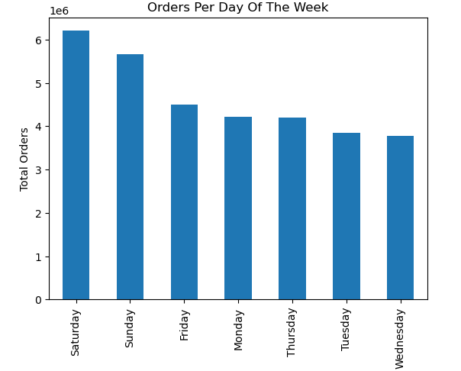

Answer:
- The busiest days of the week are the weekends, Saturday and Sunday register the most orders.
- The busiest hours of the day are between 9 a.m. and 4 p.m.
Recommendation:
- The advertising for new customers should be placed on Thursday, Tuesday and Wednesday. Focusing on slow days could increase the motivation of customers only browsing on the internet.
- During the busiest hours 9 a.m. to 4 p.m. the marketing team should be scheduling the advertisement for base customers. After 4 p.m. might be an oportunity to win new customers by scheduling promotions, sales, and seasonal ads to motivate customers that browse the internet after work or during their comute to home.
- The marketing team should also consider advertising for night owls, there seems customers browsing the internet at night that could feel inclined to by something between 9 p.m. and 1 a.m.

Question: Instacart has a lot of products with different price tags. Marketing and sales want to use simpler price range groupings to help direct their efforts.

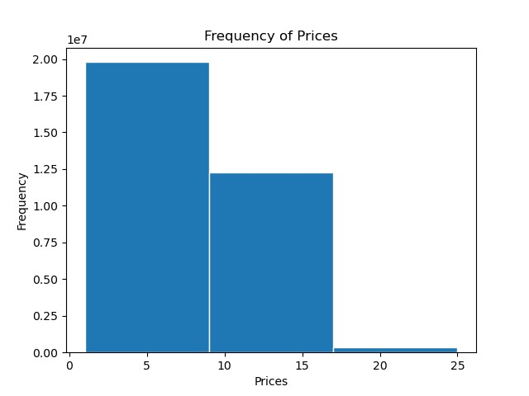
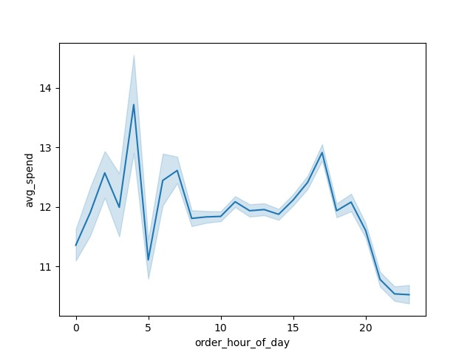

Answer:
By counting the items per price we can identify 3 categories. Low-price-itmes (between 1 and 9 dollars ) is the biggest category. The second biggest category is the mid-priced items (between 9 and 17 dollars). And the smallest category is the high-priced items (between 17 and 25 dollars.). Note: During the analysis, there were items above 100 dollars, which was considered a mistake and was taken out of the analysis.
Recommendation:
- Since the majority of items are low-price items, the marketing team could advertise the benefit of buying them in large quantities. Marketing campaigns could vary the low-price items depending on the season, since this is the largest group from which to choose, there should be many items to pick from.
- The main advertising campaigns should be made for the mid-priced-items, these are the second largest group of items but because of their price, they might bring better revenue to Instacart than low-price items. The high-price items represent the smallest percentage of the inventory but because of their price, they should be advertised when customers are more willing to make orders, on the weekends and in the busiest hours, from 9 a.m. to 4 p.m.

Question: Are there certain types of products that are more popular than others? The marketing and sales teams want to know which departments have the highest frequency of product orders.

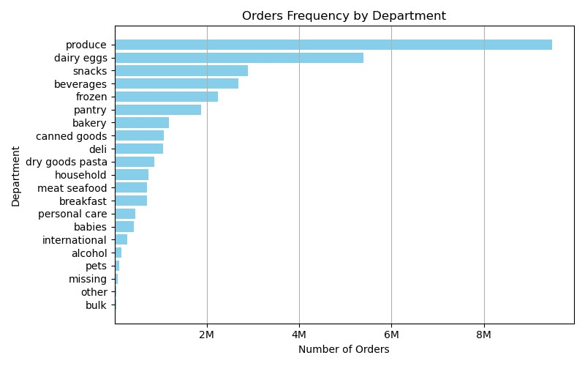

Answer:
The department with the highest number of orders is produce with over 9 million orders. The second departments with a high number of orders is dairy eggs with over 5 million orders. The third department with a high number of orders is snacks with 3 million orders.
Recommendation:
- Instacart customers love produce! The marketing team could think about promoting items from less popular departments and giving vouchers with discount in the produce department. For example, with the purchase of 6 canned goods, the customer would get a voucher of 15% in a produce of their choise. They could also think about advertising other departments as recommendation when a customer has a produce item in their online cart.

Question: What’s the distribution among users in regards to their brand loyalty?

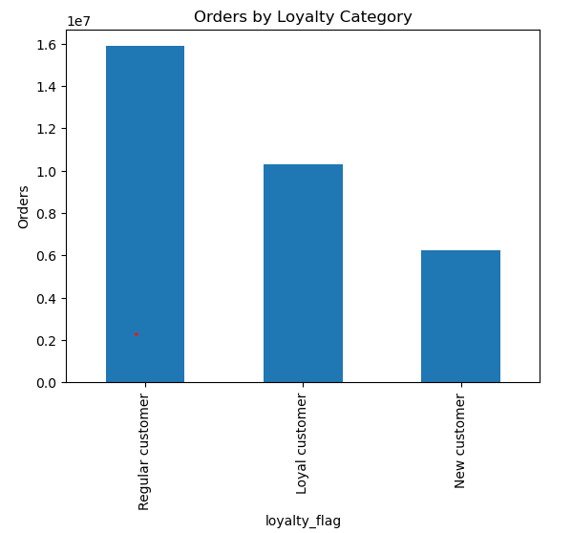

 |  |  |  |  |  |  |  | Loyalty Brand |  | Total Count | %
 |  |  |  |  |  |  |  | Regular customer |  | 15,876,776 | 49%
 |  |  |  |  |  |  |  | Loyal customer |  | 10,284,093 | 32%
 |  |  |  |  |  |  |  | New customer |  | 6,243,990 | 19%
 |  |  |  |  |  |  |  | total customer count |  | 32,404,859

 |  |  |  |  |  |  |  | Loyalty Flag |  | Total Sales | %
 |  |  |  |  |  |  |  | Regular customer |  | 123,790,606 | 49%
 |  |  |  |  |  |  |  | Loyal customer |  | 79,933,825 | 32%
 |  |  |  |  |  |  |  | New customer |  | 48,701,689 | 19%
 |  |  |  |  |  |  |  | total customer count |  | 252,426,121

Answer:
Almost haft of Instacarts customer base are regular customers (49%). One third (32%) are loyal customers and only 19% are new customer.
Note: Loyal customers have orderd more than 40 times, regular customers between 40 and 10 times and new customers less than 10 times.
Recommendation:
- When comparing the total count of customers and the sales they generated, we see that the bigger the group of a customer the more they purchase. Regular customers bring the 49% of the total sales from Instacart. Loyal customers 32% and new customers 19% of the sales. Regular customers bring the most sales, therefore advertisment efforts should be focused on retaining the regular customers and tageting new customers for them to become regular customers.

Question: Are there differences in ordering habits based on a customer’s region?

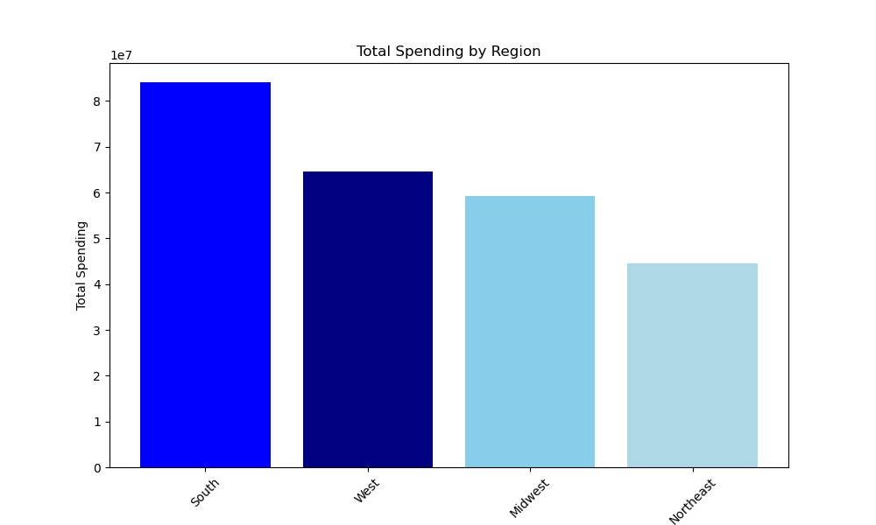
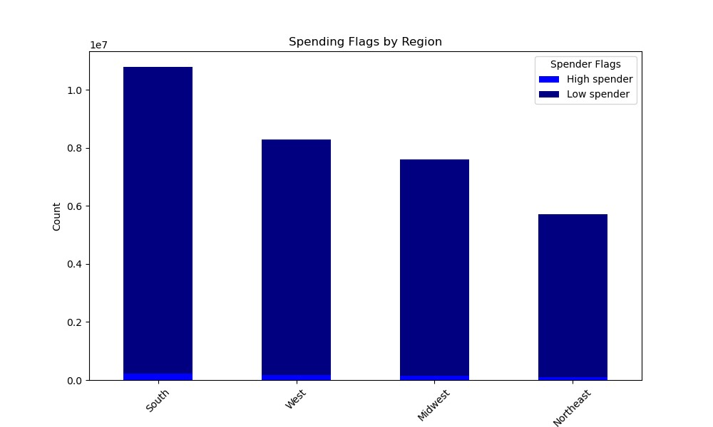

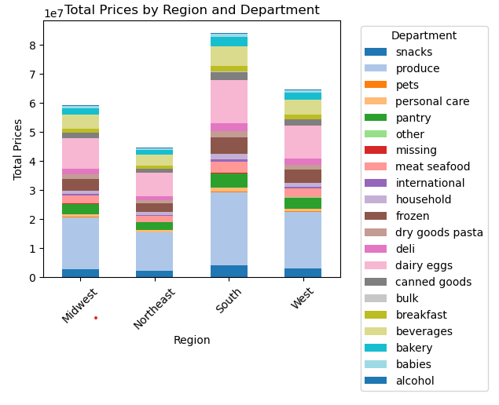

Answer:
- The South region spends the most out of the 4 region wiht moren than 8 million dollars spent. Next comes the West region with more than 6 million, followed by the Midwest region with little under 6 million spent. And finally the Northeast region with 4.5 million dollars spent.
- In all the region there is not a significat number of 'high spenders' (avg. spending abore 10 dollars). Most of the customers across all regions are 'low spenders' (avg. spending below 10 dollars).
- The top 3 departments across all the regions are the same based on the sales: 1. produce, 2.dairy eggs & 3. beverages.
Recommendation:
- Since all region show the same prefrences per department sales, marketing can use a cross regional campaign for top selling departments. Almost all customers order on average less than 10 dollars, the marketing team could set up a promotion pop-up every time a customers cart is 10 dollars to motivate a customer to add another product to the cart. Since the North has a bigger customer base, marketing could reward customers from the north that refer a friend to Instacard, this could increase Instacarts visibility in other regions.

Question: Is there a connection between age and family status in terms of ordering habits? What different classifications does the demographic information suggest? Age? Income? Certain types of goods? Family status?


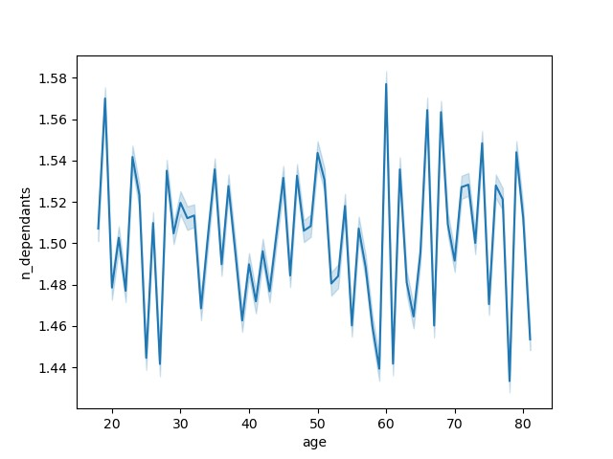

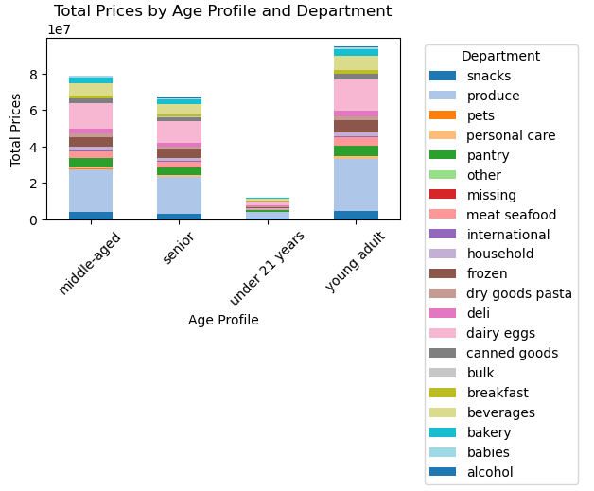
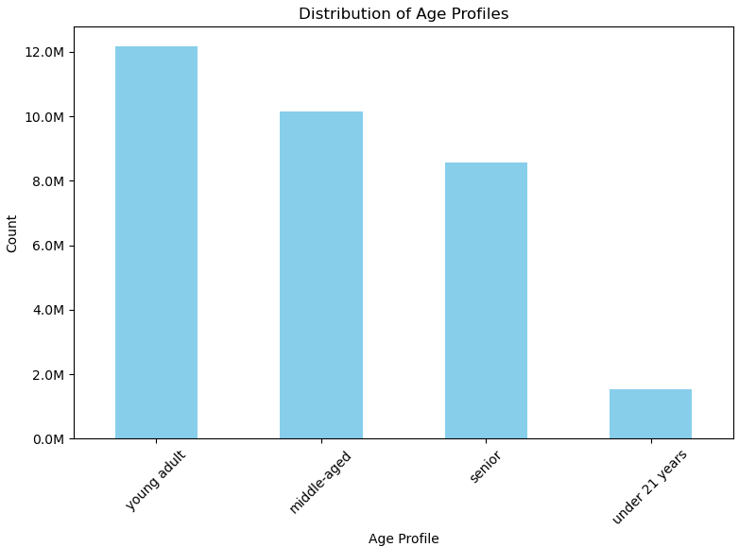

Answer:
- The scatterplot shows that the biggest concentration of people across all ages is below the 200k income. There is a small group of people between 20 and 40 years that earn up to 400k. This group also does not record any income above the 400k. There is also a concentration of people over 40 years earning between 200k and 300k. Finally, the smallest group of 40+ years earns over 400k.
- There is no clear trend between age and number of dependants.
- Instacart has about 12 million young adult (between 21 and 44 years) customers. 10 million middle-aged (between 45 and 64 years) customers, 8.5 million senior (65 years and above) customers and only 1.5 million customers under 21 years.
- The top 3 departments across all the age groups based on the sales: 1. produce, 2.dairy eggs & 3. beverages.
Recommendation:
- Customers between 40 and 60 years (middle-aged and senior) have a higher income. Marketing could target more expensive items for this two segments since they have a higher puchasing power and might me more willing to spend a more. Advertise items that have a higher price/performance ratio for young adults and customers under 21 years.
- A similar stacked bar chart than before (Total Price by Regio and Department) can be seen when we compared the age profile with the total sales per deparment. Thsi lets us confirm that the stronges departments overall are produce, dairy eggs and beverages.

Question: What differences can you find in ordering habits of different customer profiles? Consider the price of orders, the frequency of orders, the products customers are ordering, and anything else you can think of.

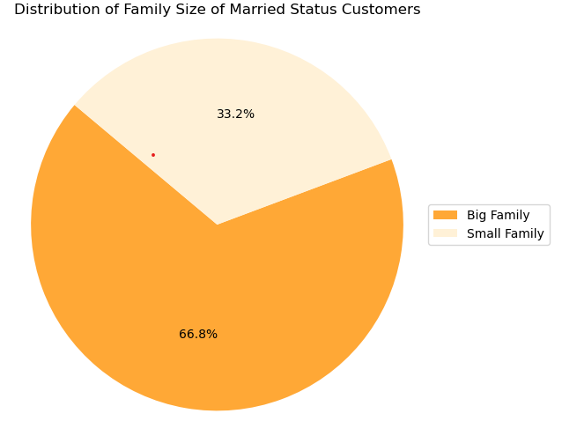
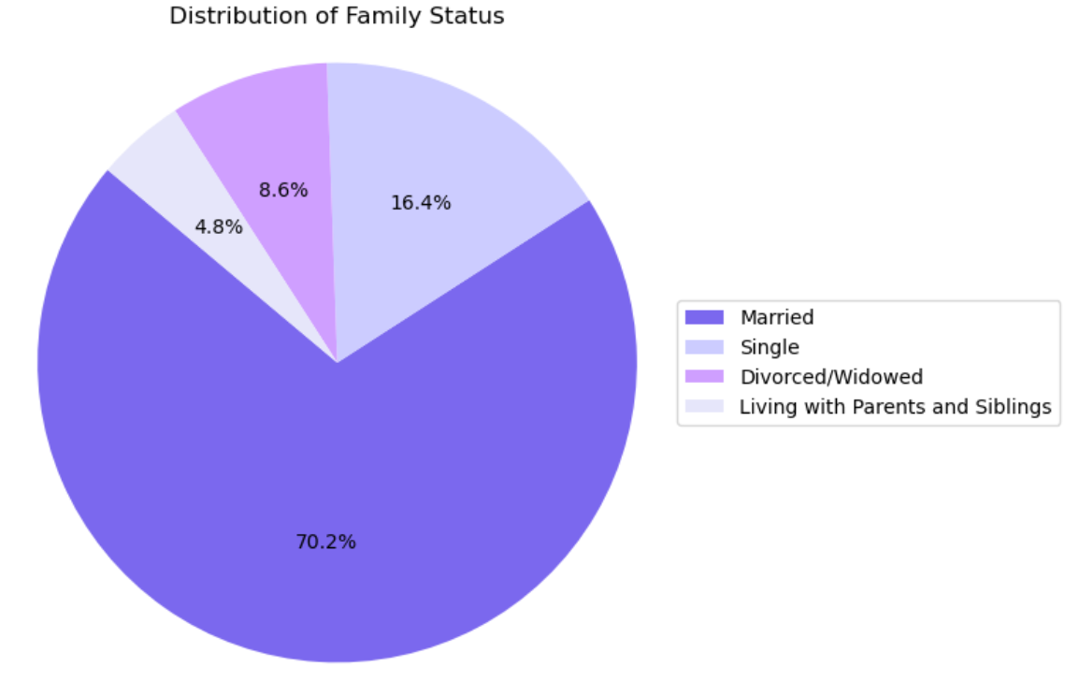

 | sales |  |  |  |  | family size | department | orders | rank
 | family_size | max | average | min |  | big_family | produce | 4,448,641 | 1
 | big_family | $25.00 | $7.79 | $1.00 |  | big_family | dairy eggs | 2,525,060 | 2
 | small_family | $25.00 | $7.80 | $1.00 |  | big_family | snacks | 1,357,453 | 3
 |  |  |  |  |  | big_family | beverages | 1,263,508 | 4
 | order hour of day |  |  |  |  | big_family | frozen | 1,051,806 | 5
 | family_size | max | average | min |  | small_family | produce | 2,205,577 | 1
 | big_family | 23 | 13:43:00 | 0 |  | small_family | dairy eggs | 1,263,538 | 2
 | small_family | 23 | 13:40:00 | 0 |  | small_family | snacks | 672,136 | 3
 |  |  |  |  |  | small_family | beverages | 625,544 | 4
 |  |  |  |  |  | small_family | frozen | 517,244 | 5
Answer:
- 70% of Instacarts customers are married, the other 30% are either single, divorced/widowed or living with parents and siblings. To investigate further the married customers habits, we created a 'family_size' profile. 'Big_family' stands for married customer with 2 or 3 dependants and 'small_family' for 0 or 1 dependant. Out of the married customers 66.8% have a big family and 33.2% a small family.
- When comparing the stats about the prices and when they order small and big families have the same behaviour. They pay on average 7.8 dollars and they order on average after mid-day around 13:40 hr.
- We see that the number of dependants affects the number of times a family orders products from a department. Big families, married customers with 2 or 3 dependants order double as much of each product in the top 5 departments as small families.
Recommendation:
- Given that family size and, consequently, family status impact the orders made, it's crucial to segment customers according to their family status and size. Customize advertisements to align with these segments. For instance, offer bulk sales and budget-friendly items targeting big families, while providing single-packed items suited for small families.

Additional tables

Department Sales by Region
Department | Midwest | Northeast | South | West | Total Sales
produce | $17,785,237.50 | $13,291,982.90 | $25,234,455.60 | $19,349,258.50 | $75,660,934.50 | Top 3
dairy eggs | $10,528,855.00 | $7,948,436.80 | $14,949,176.90 | $11,529,656.60 | $44,956,125.30
beverages | $4,806,980.60 | $3,713,377.40 | $6,911,501.00 | $5,214,276.10 | $20,646,135.10
frozen | $4,049,209.50 | $3,023,548.00 | $5,793,136.20 | $4,423,313.10 | $17,289,206.80
pantry | $3,541,151.80 | $2,634,747.40 | $4,987,105.50 | $3,857,656.10 | $15,020,660.80
snacks | $2,880,185.00 | $2,198,128.70 | $4,091,583.90 | $3,175,640.40 | $12,345,538.00 | avg. (12 mio.)
meat seafood | $2,702,927.60 | $2,027,864.20 | $3,845,538.20 | $2,975,240.30 | $11,551,570.30
bakery | $2,153,035.90 | $1,639,723.90 | $3,050,973.30 | $2,364,292.90 | $9,208,026.00
deli | $1,916,564.80 | $1,450,663.40 | $2,718,369.30 | $2,091,754.30 | $8,177,351.80
canned goods | $1,891,465.80 | $1,404,305.70 | $2,688,555.30 | $2,068,805.20 | $8,053,132.00
dry goods pasta | $1,501,223.40 | $1,112,144.10 | $2,115,902.80 | $1,640,683.30 | $6,369,953.60
breakfast | $1,311,887.70 | $989,960.90 | $1,882,981.90 | $1,459,795.50 | $5,644,626.00
household | $1,296,064.20 | $969,260.90 | $1,797,973.90 | $1,391,053.70 | $5,454,352.70
personal care | $846,452.40 | $630,156.00 | $1,201,408.30 | $901,113.20 | $3,579,129.90
babies | $753,550.10 | $574,459.60 | $1,101,324.10 | $807,826.80 | $3,237,160.60
international | $486,821.80 | $359,965.60 | $690,424.30 | $531,261.00 | $2,068,472.70
alcohol | $293,906.30 | $213,804.30 | $422,038.30 | $321,905.40 | $1,251,654.30
pets | $174,773.90 | $147,759.20 | $245,313.20 | $203,042.10 | $770,888.40
missing | $142,966.00 | $106,572.20 | $199,948.10 | $149,358.90 | $598,845.20 | Bottom 3
bulk | $69,209.20 | $47,856.50 | $96,737.00 | $74,845.90 | $288,648.60
other | $60,509.20 | $45,388.10 | $83,463.30 | $64,347.40 | $253,708.00

Department Sales by Age Profile
Department | Middle-aged | Senior | Under 21 years | young adult | Total Sales
produce | $23,598,748.30 | $20,065,539.60 | $3,562,280.10 | $28,434,366.50 | $75,660,934.50 | Top 3
dairy eggs | $13,995,681.10 | $11,891,230.70 | $2,112,537.10 | $16,956,676.40 | $44,956,125.30
beverages | $6,523,426.80 | $5,496,821.90 | $940,119.00 | $7,685,767.40 | $20,646,135.10
frozen | $5,439,909.20 | $4,587,757.00 | $817,064.70 | $6,444,475.90 | $17,289,206.80
pantry | $4,712,782.20 | $3,976,776.00 | $705,985.60 | $5,625,117.00 | $15,020,660.80
snacks | $3,872,242.50 | $3,250,660.50 | $572,487.00 | $4,650,148.00 | $12,345,538.00 | avg. (12 mio.)
meat seafood | $3,596,674.90 | $3,098,219.50 | $547,648.80 | $4,309,027.10 | $11,551,570.30
bakery | $2,881,436.20 | $2,436,215.10 | $425,065.70 | $3,465,309.00 | $9,208,026.00
deli | $2,561,997.00 | $2,159,789.80 | $379,720.90 | $3,075,844.10 | $8,177,351.80
canned goods | $2,511,349.00 | $2,130,935.90 | $375,982.30 | $3,034,864.80 | $8,053,132.00
dry goods pasta | $1,998,541.00 | $1,678,505.00 | $299,665.20 | $2,393,242.40 | $6,369,953.60
breakfast | $1,782,204.20 | $1,470,096.20 | $270,130.40 | $2,122,195.20 | $5,644,626.00
household | $1,705,099.70 | $1,452,557.30 | $263,279.20 | $2,033,416.50 | $5,454,352.70
personal care | $1,137,775.00 | $940,410.90 | $170,984.30 | $1,329,959.70 | $3,579,129.90
babies | $1,017,727.80 | $837,954.20 | $158,692.90 | $1,222,785.70 | $3,237,160.60
international | $642,785.90 | $545,644.40 | $97,846.40 | $782,196.00 | $2,068,472.70
alcohol | $400,197.50 | $318,257.80 | $71,183.90 | $462,015.10 | $1,251,654.30
pets | $231,951.30 | $208,341.00 | $41,335.80 | $289,260.30 | $770,888.40
missing | $187,493.50 | $157,196.30 | $31,267.90 | $222,887.50 | $598,845.20 | Bottom 3
bulk | $88,225.10 | $77,307.20 | $13,992.90 | $109,123.40 | $288,648.60
other | $80,716.00 | $65,428.50 | $13,182.10 | $94,381.40 | $253,708.00

